Лист1
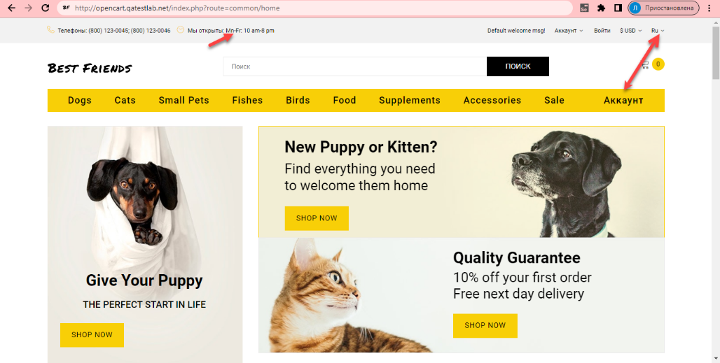
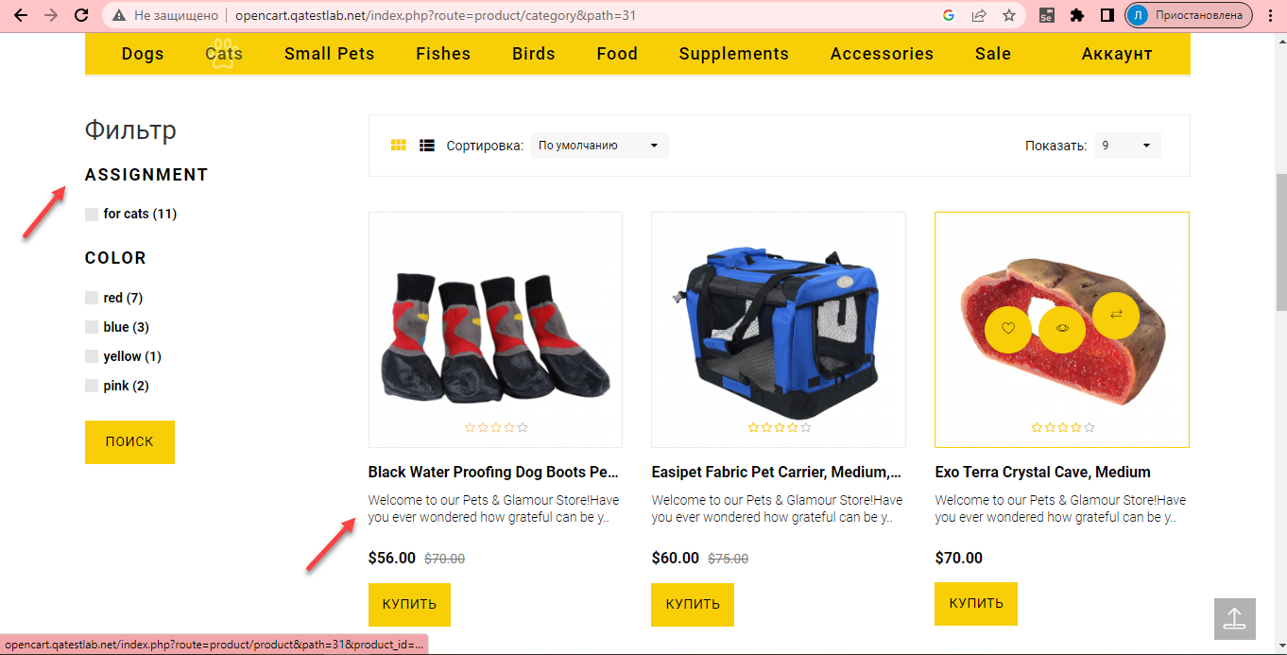
Bug report № | 1
Summary | Not all text is translated when changing the language
Environment | Win 10
Severity | Critical
Attachement | http://opencart.qatestlab.net/index.php?route=common/home
Preconditions
1 | Web site is opened
Steps to reproduce
1 | Click on the language switch button
2 | Choose language
Actual result | Not all text is translated when changing the language on site
Expected result | Translation of the text applies to the entire site

Bug report № | 2
Summary | Dropdown menu only works in one section
Environment | Win 10
Severity | Critical
Attachement | http://opencart.qatestlab.net/index.php?route=common/home
Preconditions
1 | Web site is opened
Steps to reproduce
1 | Hover over one of the sections For example Cats
Actual result | Dropdown menu only works in the Dogs section
Expected result | Dropdown menu should work in all sections

Bug report № | 3
Summary | The information section displays the coding CP1252
Environment | Win 10
Severity | Critical
Attachement | http://opencart.qatestlab.net/index.php?route=common/home
Preconditions
1 | Web site is opened
Steps to reproduce
1 | Click on the information section
Actual result | Coding CP1252 are displayed when going to the information sections
Expected result | Information displayed correctly
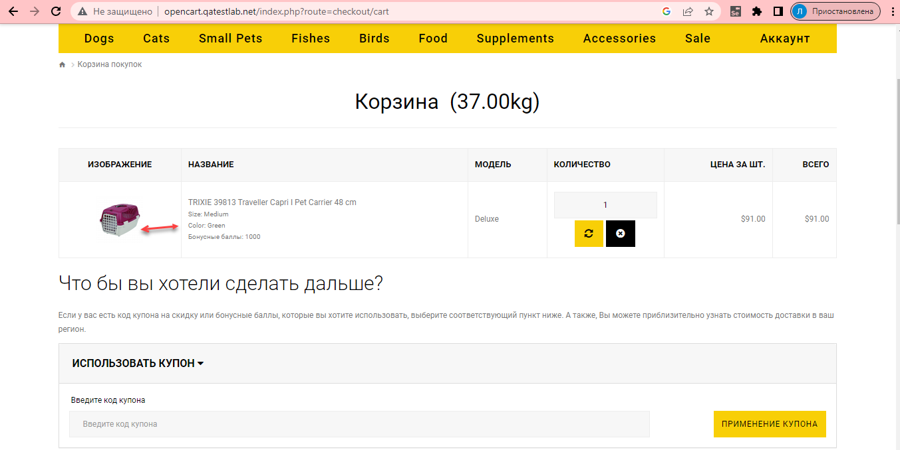

Bug report № | 4
Summary | Image does not match specification
Environment | Win 10
Severity | Minor
Attachement | http://opencart.qatestlab.net/index.php?route=common/home
Preconditions
1 | Web site is opened
2 | Add item to cart
Steps to reproduce
1 | Choose a color and go to the shopping cart of the online store
Actual result | Image does not match description when adding item to cart
Expected result | The color of the product in the photo corresponds to the description

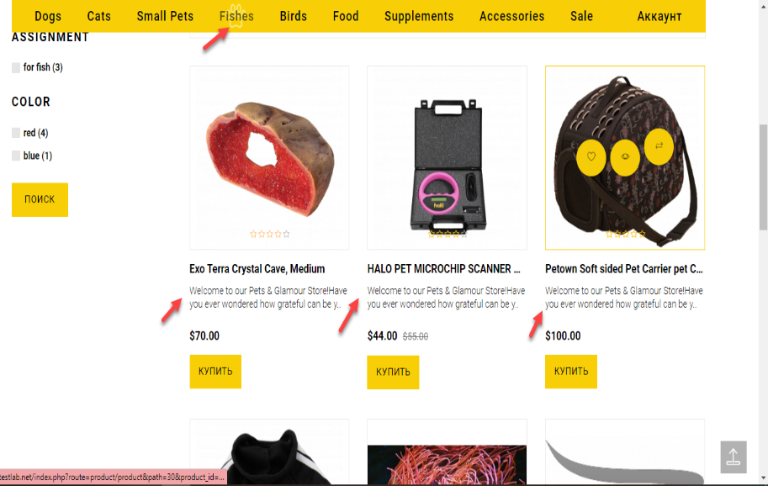
Bug report № | 5
Summary | In the "Fish" section, a product for other animals has been added
Environment | Win 10
Severity | Major
Attachement | http://opencart.qatestlab.net/index.php?route=product/category&path=30
Preconditions
1 | Web site is opened
Steps to reproduce
1 | Go to category "Fish"
Actual result | In the "Fish" section, goods for all animals are displayed For example for dogs
Expected result | In the "Fish" section, a product for fish should be displayed

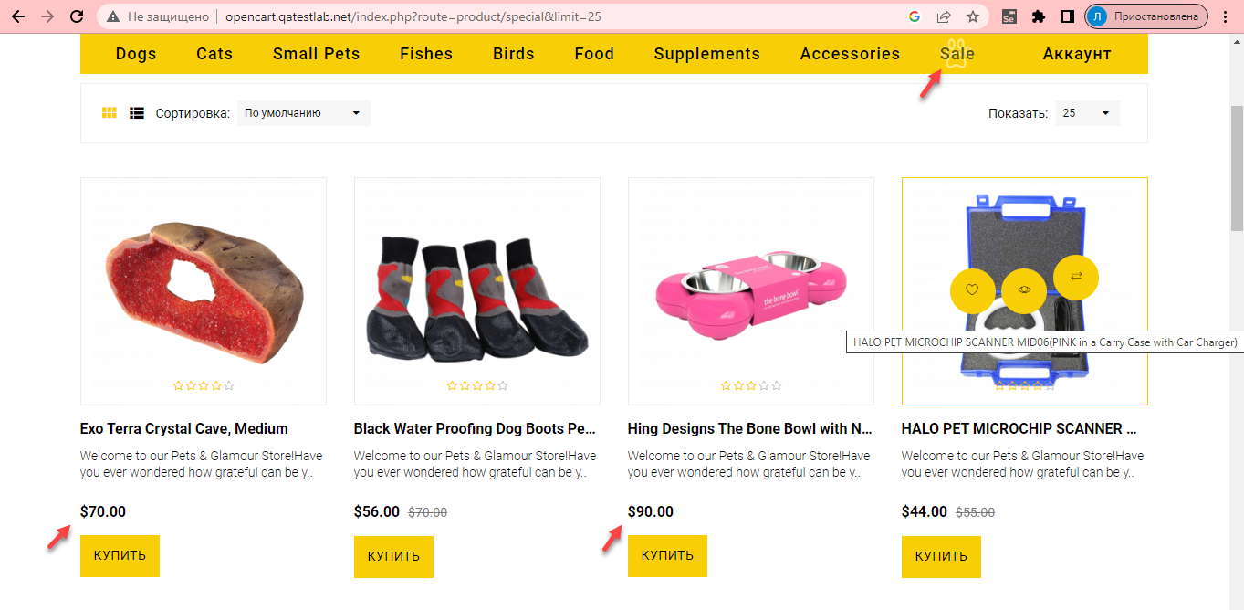
Bug report № | 6
Summary | In the "Sale" section, some products are offered without discounts
Environment | Win 10
Severity | Major
Attachement | http://opencart.qatestlab.net/index.php?route=product/special
Preconditions
1 | Web site is opened
Steps to reproduce
1 | Go to category "Sale"
Actual result | In the "Sale" section for some products, the price is indicated without applying discounts
Expected result | All items are discounted

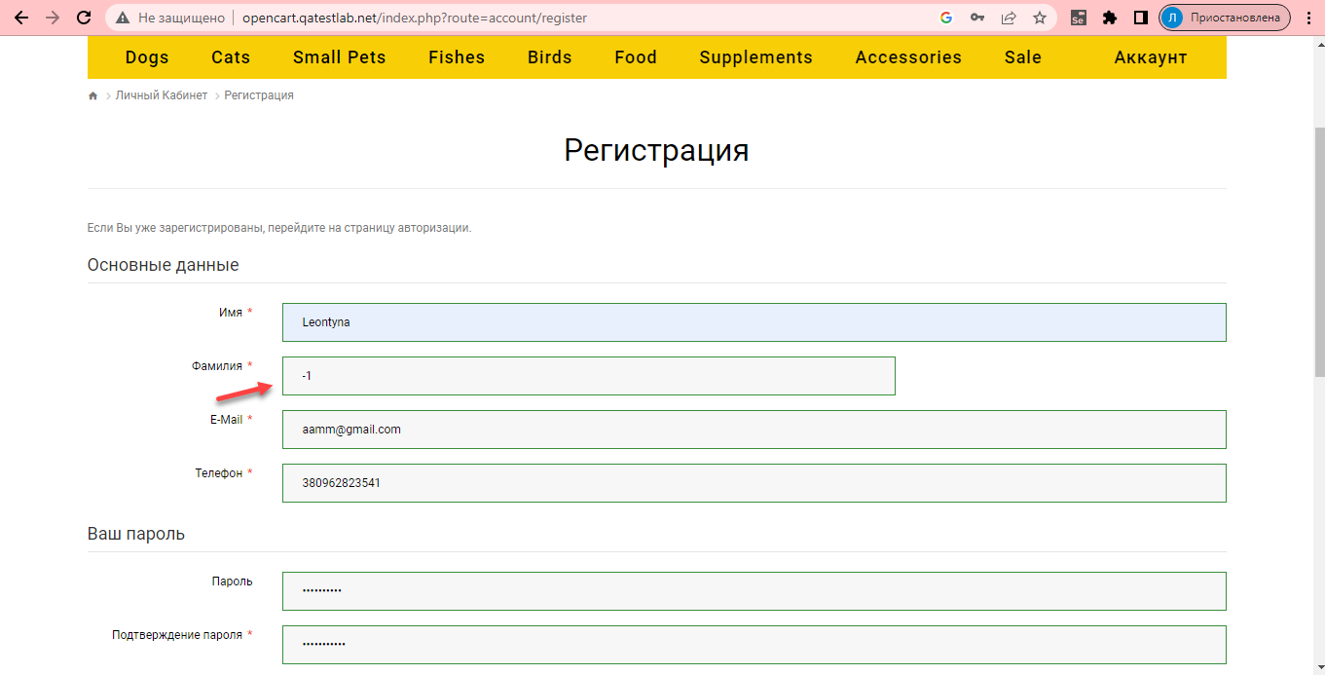
Bug report № | 7
Summary | Incorrect data is entered in the "Registration" section
Environment | Win 10
Severity | Critical
Attachement | http://opencart.qatestlab.net/index.php?route=account/register
Preconditions
1 | Web site is opened
2 | Go to the "Registration" section
Steps to reproduce
1 | Enter "Johnsons" in the Last Name field
Actual result | The numbers are displayed in the "Last name" field when registering a user
Expected result | Letters are displayed in the "Last Name" field when registering a user

Bug report № | 8
Summary | Incorrect number of items in the online shopping cart
Environment | Win 10
Severity | Critical
Attachement | http://opencart.qatestlab.net/index.php?route=common/home
Preconditions
1 | Web site is opened
Steps to reproduce
1 | Choose one product and add to your online shopping cart
Actual result | When you add one product to the shopping cart of the online store, the quantity of the product doubles.
Expected result | Letters are displayed in the "Last Name" field when registering a user

